plot
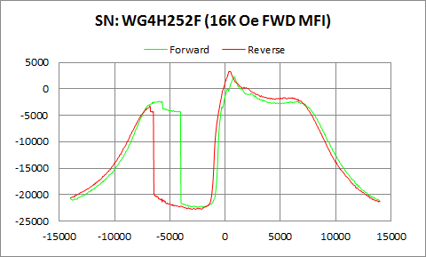

WG4H252F | Forward |  | Reverse
 | Ampl | Field | Ampl | Field
50% Roll-off Field | -10069.9395 | 9371.2429509 | -9719.0485 | 8979.3770101
P1 Switching Field | -2333.181 | -5948.906 | -3217.758 | -6799.248

Others | 0.78773320228 | 0.77208226907

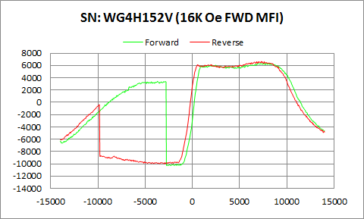

WG4H152V | Forward |  | Reverse
 | Ampl | Field | Ampl | Field
50% Roll-off Field | -1960.935 | 12192.284046 | -1658.9965 | 11725.530568
P1 Switching Field | 3264.146 | -5048.699 | -368.8188 | -9848.931

Others | 0.57786618869 | 0.81355497663

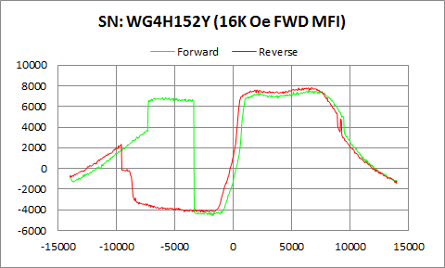

WG4H152Y | Forward |  | Reverse
 | Ampl | Field | Ampl | Field
50% Roll-off Field | 1502.032 | 10803.7261 | 1807.5465 | 10307.090739
P1 Switching Field | 6876.654 | -5799.309 | 2341.944 | -9599.602

Others | 0.54243133389 | 0.94751039996

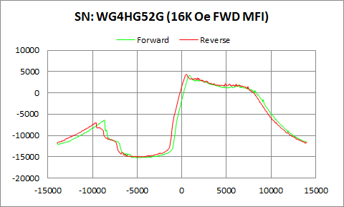

WG4HG52G | Forward |  | Reverse
 | Ampl | Field | Ampl | Field
50% Roll-off Field | -5573.6825 | 10314.360313 | -5342.8675 | 9815.2727504
P1 Switching Field | -6410.808 | -8649.529 | -6980.649 | -9599.602

Others | 0.41757379195 | 0.45504346386

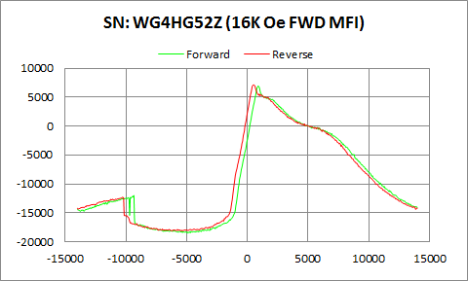

WG4HG52Z | Forward |  | Reverse
 | Ampl | Field | Ampl | Field
50% Roll-off Field | -5773.1065 | 9026.9363055 | -5497.4925 | 8579.023807
P1 Switching Field | -12000.08 | -9350.273 | -12281.32 | -10300.35

Others | 0.23007050297 | 0.2568220998

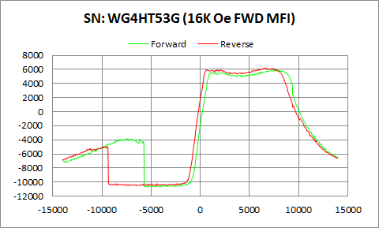

WG4HT53G | Forward |  | Reverse
 | Ampl | Field | Ampl | Field
50% Roll-off Field | -2388.4795 | 10985.319114 | -2147.245 | 10613.333778
P1 Switching Field | -3810.15 | -7450.127 | -4939.572 | -9799.064

Others | 0.33469065981 | 0.41307679037

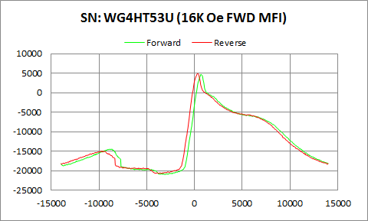

WG4HT53U | Forward |  | Reverse
 | Ampl | Field | Ampl | Field
50% Roll-off Field | -8146.58 | 8184.2427604 | -7895.1095 | 7763.4848427
P1 Switching Field | -14449.56 | -8649.529 | -14933.1 | -9699.334

Others | 0.224797111 | 0.25456715242

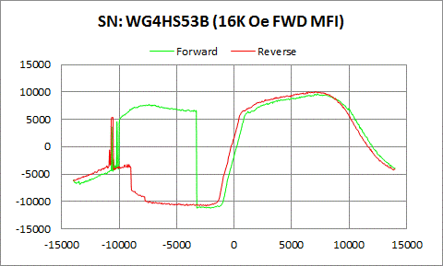

WG4HS53B | Forward |  | Reverse
 | Ampl | Field | Ampl | Field
50% Roll-off Field | -761.6845 | 12359.787054 | -385.315 | 11817.394144
P1 Switching Field | 7755.64 | -7400.261 | 5348.437 | -10549.68

Others | 0.77114932757 | 0.91070758301

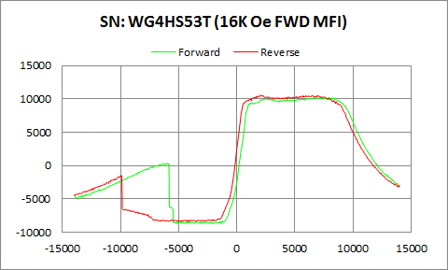

WG4HS53T | Forward |  | Reverse
 | Ampl | Field | Ampl | Field
50% Roll-off Field | 790.28 | 11762.607735 | 1062.1295 | 11287.981813
P1 Switching Field | 350.1423 | -5998.772 | -1494.933 | -9898.797

Others | 0.36587213646 | 0.47601973554

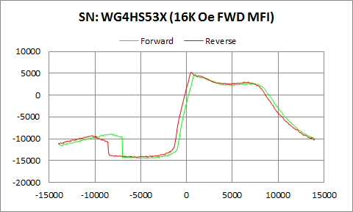

WG4HS53X | Forward |  | Reverse
 | Ampl | Field | Ampl | Field
50% Roll-off Field | -4835.16 | 10706.094367 | -4558.217 | 10204.264366
P1 Switching Field | -8882.094 | -8350.334 | -9239.328 | -10250.48

Others | 0.26332345004 | 0.28824411727

